Pressure Transmitter

 | APPLICATION |  |  |  | Gauge Pressure Transmitter
 | Not Specified (Manual Input)
 | INPUT |  |  |  |  |  |  | Color Legend
 | Model |  |  |  |  |  |  | USER INPUT
 |  |  |  |  |  |  |  | TOOL OUTPUT
 |  |  |  |  |  |  |  | APPLICATION (OPTIONAL AUTOFILL)
 | Mounting Type

Mfg .Code | Output Signal
#

 | Calibrated Range
Presets | Min |  | Max | Units
 |  | to

 | Transmitter Measurment Span Limits
#

 | Process Connections
#

 | Electrical Connections
# |  |  |  |  |  |  |  | OUTPUT
 |  |  |  |  |  |  |  | Yokogawa Part Number
 | Integral Indicator |  |  |  |  |  |  | ###S#B-9###-M11
#
 |  |  |  |  |  |  |  | Sundyne Part Number
 | Mounting Bracket |  |  |  |  |  |  | Combination Not Found
#
 |  |  |  |  |  | NON-STANDARD OPTIONS |  | ORDER WITH
 | Hazardous Area Certs |  |  |  | FALSE | 316 Exterior Parts | -HC | Valve Manifold
 |  |  |  |  | FALSE | SST Amplifier Housing | 2 | ######
 |  |  |  |  | FALSE | Lightning Protection | -A
 | Calibration Units |  |  |  | FALSE | Pressure Test | -T* | Other Hardware
 |  |  |  |  | FALSE | Special Paint | **

DP Transmitter
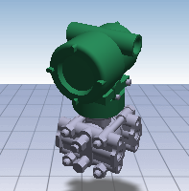
 | APPLICATION |  |  |  | Differential Pressure Transmitter
 | Not Specified (Manual Input)
 | INPUT |  |  |  |  |  |  | Color Legend
 | Model |  |  |  |  |  |  | USER INPUT
 |  |  |  |  |  |  |  | TOOL OUTPUT
 |  |  |  |  |  |  |  | APPLICATION (OPTIONAL AUTOFILL)
Mfg .Code | Output Signal
#

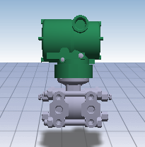
 | Calibrated Range
Presets | Min |  | Max | Units
 |  | to

 | Transmitter Measurment Span Limits
#

 | Process Connections
#
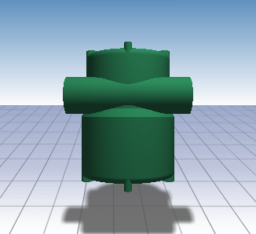
 | Electrical Connections
# |  |  |  |  |  |  |  | OUTPUT
 |  |  |  |  |  |  |  | Yokogawa Part Number
 | Integral Indicator |  |  |  |  |  |  | #VALUE!
#
 |  |  |  |  |  |  |  | Sundyne Part Number
 | Mounting Bracket |  |  |  |  |  |  | #VALUE!
#
 |  |  |  |  |  | NON-STANDARD OPTIONS |  | VALVE MANIFOLD
 | Hazardous Area Certs |  |  |  | FALSE | 316 Exterior Parts | -HC | Sundyne Part Number
 |  |  |  |  | FALSE | SST Amplifier Housing | 2
 |  |  |  |  | FALSE | Lightning Protection | -A
 | Calibration Units |  |  |  | FALSE | Pressure Test | -T* | Other Hardware
 |  |  |  |  | FALSE | Special Paint | ** | 03-237DS (x4),06-030 (x4)

Temperature Transmitter
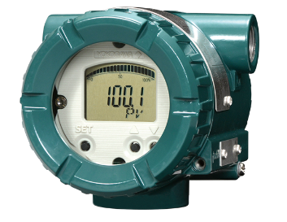
 | APPLICATION |  |  |  | Temperature Transmitter |  |  |  | Color Legend
 | Not Specified (Manual Input) |  |  |  |  |  |  |  | USER INPUT
 |  |  |  |  |  |  |  |  | TOOL OUTPUT
 | INPUT |  |  |  |  |  |  |  | APPLICATION (OPTIONAL AUTOFILL)
 | Model

 | Calibrated Range
Presets | Min |  | Max | Units
 |  | to

Mfg .Code | Output Signal
#

 | Sensor Input
#

 | Housing Material
# |  |  |  |  |  |  |  | OUTPUT
 |  |  |  |  |  |  |  | Yokogawa Part Number
 | Electrical Connection |  |  |  |  |  |  | ##A#####
#
 |  |  |  |  |  |  |  | Sundyne Part Number
 | Integral Indicator |  |  |  |  |  |  | Combination Not Found
#
 |  |  |  |  |  |  |  | THERMOWELL/SENSOR ELEMENT
 | Mounting Bracket |  |  |  |  |  |  | Supplier Part Number
# |  |  |  |  |  |  |  | (To Be Completed)
 |  |  |  |  |  | NON-STANDARD OPTIONS
 | Hazardous Area Certs |  |  |  | FALSE | Lightning Protection | -A | Sundyne Part Number
 |  |  |  |  | FALSE | Special Paint | ** | (To Be Completed)

HELP - Pressure Transmitter
 | Model | Currently the EJA-E models are the only Yokogawa models selected by this tool for Gauge Pressure Transmitter. The EJA-A models are being discontinued by Yokogawa. The EJX-A models are more costly and have few advantages over the EJA-E models except in applications requireing high accuracy. See Yokogawa specification sheets for more information.
 | Mount | 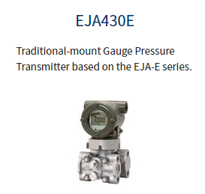 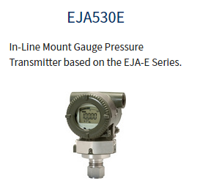 The 430 model has a coplanar or 'traditional' mounting style. (See left picture). This mounting style is convienient because it can be mounted directly to a gauge board. However the 430 model is more expensive and requires a more expensive valve manifold. The 530 model is mounted 'in-line'. (See right picture). This model is simpler and less costly than the 430 model and should be used whenever possible.

OPTION NUMBER | OPTION NAME | NOTES:
1 | Output Signal | The output signal will almost always be 4-20 mA w/ HART for Core lane orders. Complex orders often require Foundation Feildbus digital ouput.
2 | Measurement Span Limits | Capsule choices vary by model. Make sure that instrument's calibrated range is within the selected span limits.
3 | Wetted Parts Material | NACE compliant 316SST is Sundyne standard. Other selections for this option have not been included in the tool. See the Yokogawa specifications sheet for additional selections and more information.
4 | Process Connections | 1/2" NPT female is Sundyne standard. For EJA530E (in-line mounting, standard) model, 1/2" NPT male is availible as an option. For EJA430 (coplanar mounting) model, the second option is an open flange face with a 1/4" female NPT entry on flange face. See the Yokogawa specifications sheet for additional options and more information.
5 | Bolts and Nuts Material | Stainless steel selection is Sundyne standard. This option only applies to the EJA430E (coplanar) model. The EJA530E (in-line) model does not have bolts. See the Yokogawa specifications sheet for additional selections and more information.
6 | Installation | 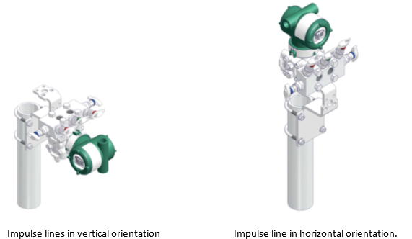 This option only applies to the EJA430E model. Horizontal impulse piping option means thatthe process connection enters the transmitter in the horizontal direction (rather than vertical). This is Sundyne standard.
7 | Amplifier Housing | Painted cast aluminum is Sundyne standard for transmitter body. A SST housing can be chosen as an 'Non-Standard Option' in the checkbox area. The SST Amplifier Housing option automatically includes 'SST Exterior Parts' option.
8 | Electrical Connection | Sundyne standard is 1/2" NPT female w/ a blind plug. Plug is aluminum. M20 connection type also availible. See the Yokogawa specifications sheet for additional selections and more information.
9 | Integral Indicator | A digital indicator is standard when the transmitter is to be mounted to a gauge board. Range setting switch (selection 'E') allows configuration of transmitter through push button on display and zero screw located side of transmitter. Selection 'D' requires HART communicator for transmitter configuration.
10 | Mounting Bracket | TBD
11 | Hazardous Area Cert | There is no Sundyne standard certification type. The Hazardous Area cetification type depends on the specifications/destination of the product. User must select a cert type for all transmitter orders.
12 | Calibration Units | PSI is standard. Transmitter display units can be changed without changing calibration units.
13 | Material Cert | Material cert is preselected as Sundyne standard to be included on all transmitter orders.
14 | 316 Exterior Parts | Screws and Set screw will be 316 or 316L. This option is automatically included if 'SST Amplifier Housing' is selected.
15 | SST Amplifier Housing | This option is the same as the SST selection in option 7.
16 | Lightning Protection | Used only if required by specifications.
17 | Pressure Test | Used only if required by specifications. NOTE: There is a different pressure test code for each selection of option 2 (measurement span limits). If the transmitter requires pressure testing, the user must manually edit the Item Master text to match the correct code from the Yokogawa transmitter specification sheet.
18 | SPECIAL PAINT | This option puts a note into the Item Master text that Yokogawa should not paint the transmitter. Use only if the Transmitters are to be painted at Sundyne in accordance with a customer paint spec. A paint matrix will be required. See the Yokogawa specifications sheet for additional paint options and more information.

 | Valve Manifolds | TBD (w/ PICTURES)

Pictures
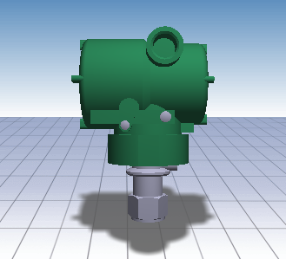
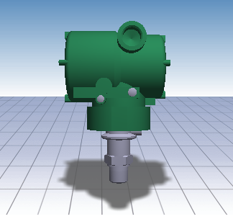
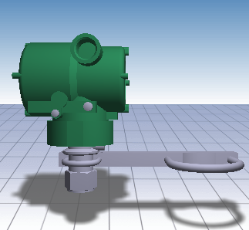
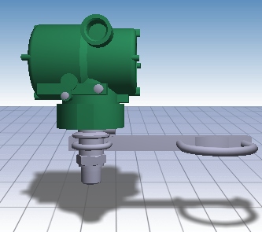
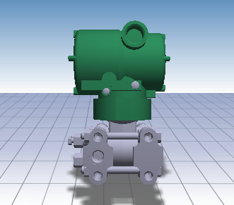
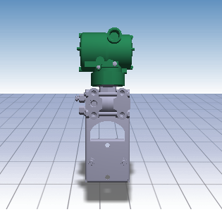
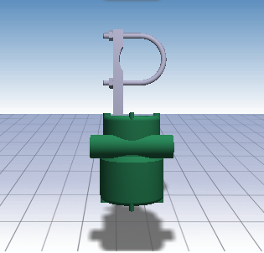
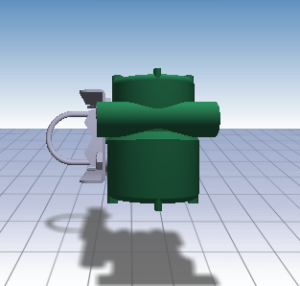
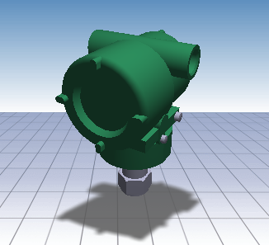
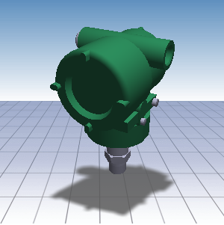
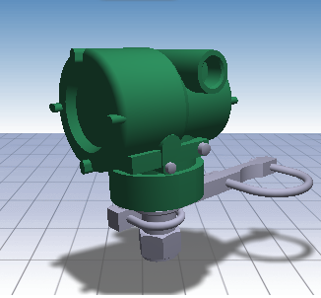
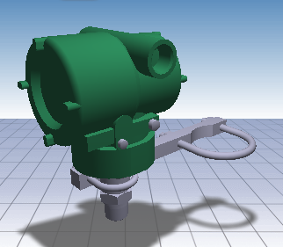
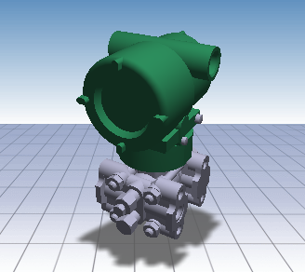
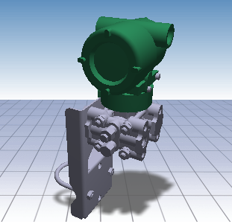
 | Unique Pictures: |  |  | 1 | 2 | 3 | 4 | 5 | 6 | Undefined
 | Type | Bracket | Process
1 | 530 | No | Female
2 | 530 | No | Male
3 | 530 | Yes | Female
4 | 530 | Yes | Male
5 | 430 | No | Female
7 | 430 | Yes | Female

